INSTRUCTIONS
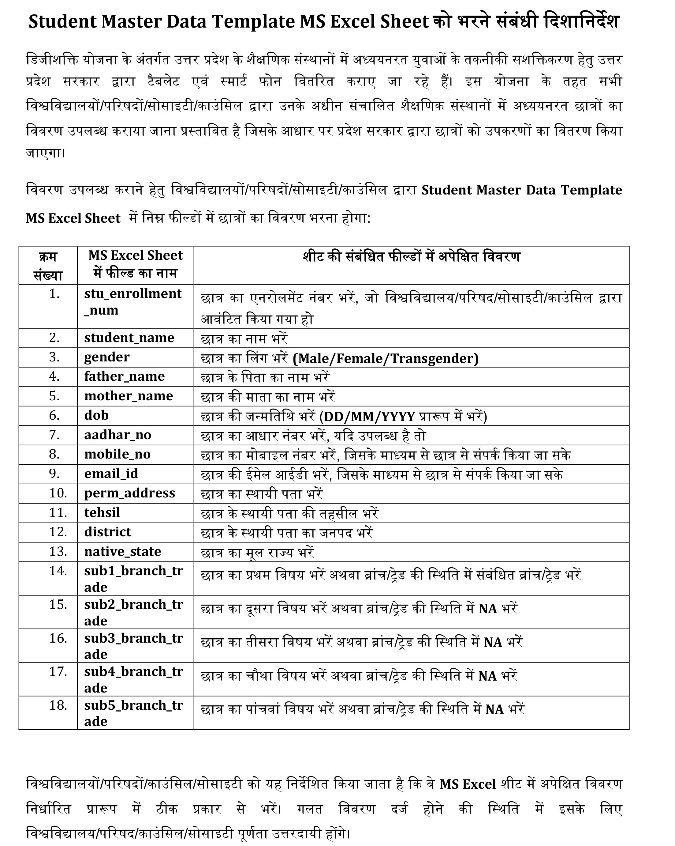
FIELD NAME | DESCRIPTION
stu_enrollment_num | ENROLLMENT NUMBER OF STUDENT
student_name | NAME OF STUDENT
gender | GENDER OF THE STUDENT
father_name | FATHER NAME
mother_name | MOTHER NAME
dob | DATE OF BIRTH OF STUDENT (DD/MM/YYYY)
aadhar_no | AADHAR NUMBER OF STUDENT
mobile_no | ACTIVE MOBILE NUMBER OF STUDENT
email_id | EMAIL ID OF STUDENT
perm_address | PERMANENT ADDRESS OF STUDENT
tehsil | TEHSIL OF THE STUDENT
district | DISTRICT OF STUDENT
native_state | NATIVE STATE OF STUDENT
sub1_branch_trade | SUBJECT / BRANCH / TRADE WHICH EVER IS APPLICABLE
sub2_branch_trade | SUBJECT / BRANCH / TRADE WHICH EVER IS APPLICABLE
sub3_branch_trade | SUBJECT / BRANCH / TRADE WHICH EVER IS APPLICABLE
sub4_branch_trade | SUBJECT / BRANCH / TRADE WHICH EVER IS APPLICABLE
sub5_branch_trade | SUBJECT / BRANCH / TRADE WHICH EVER IS APPLICABLE

